Application Screen
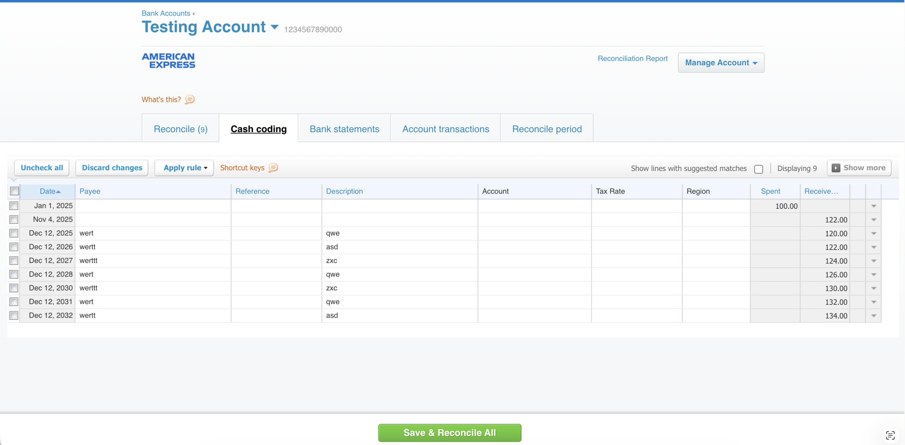

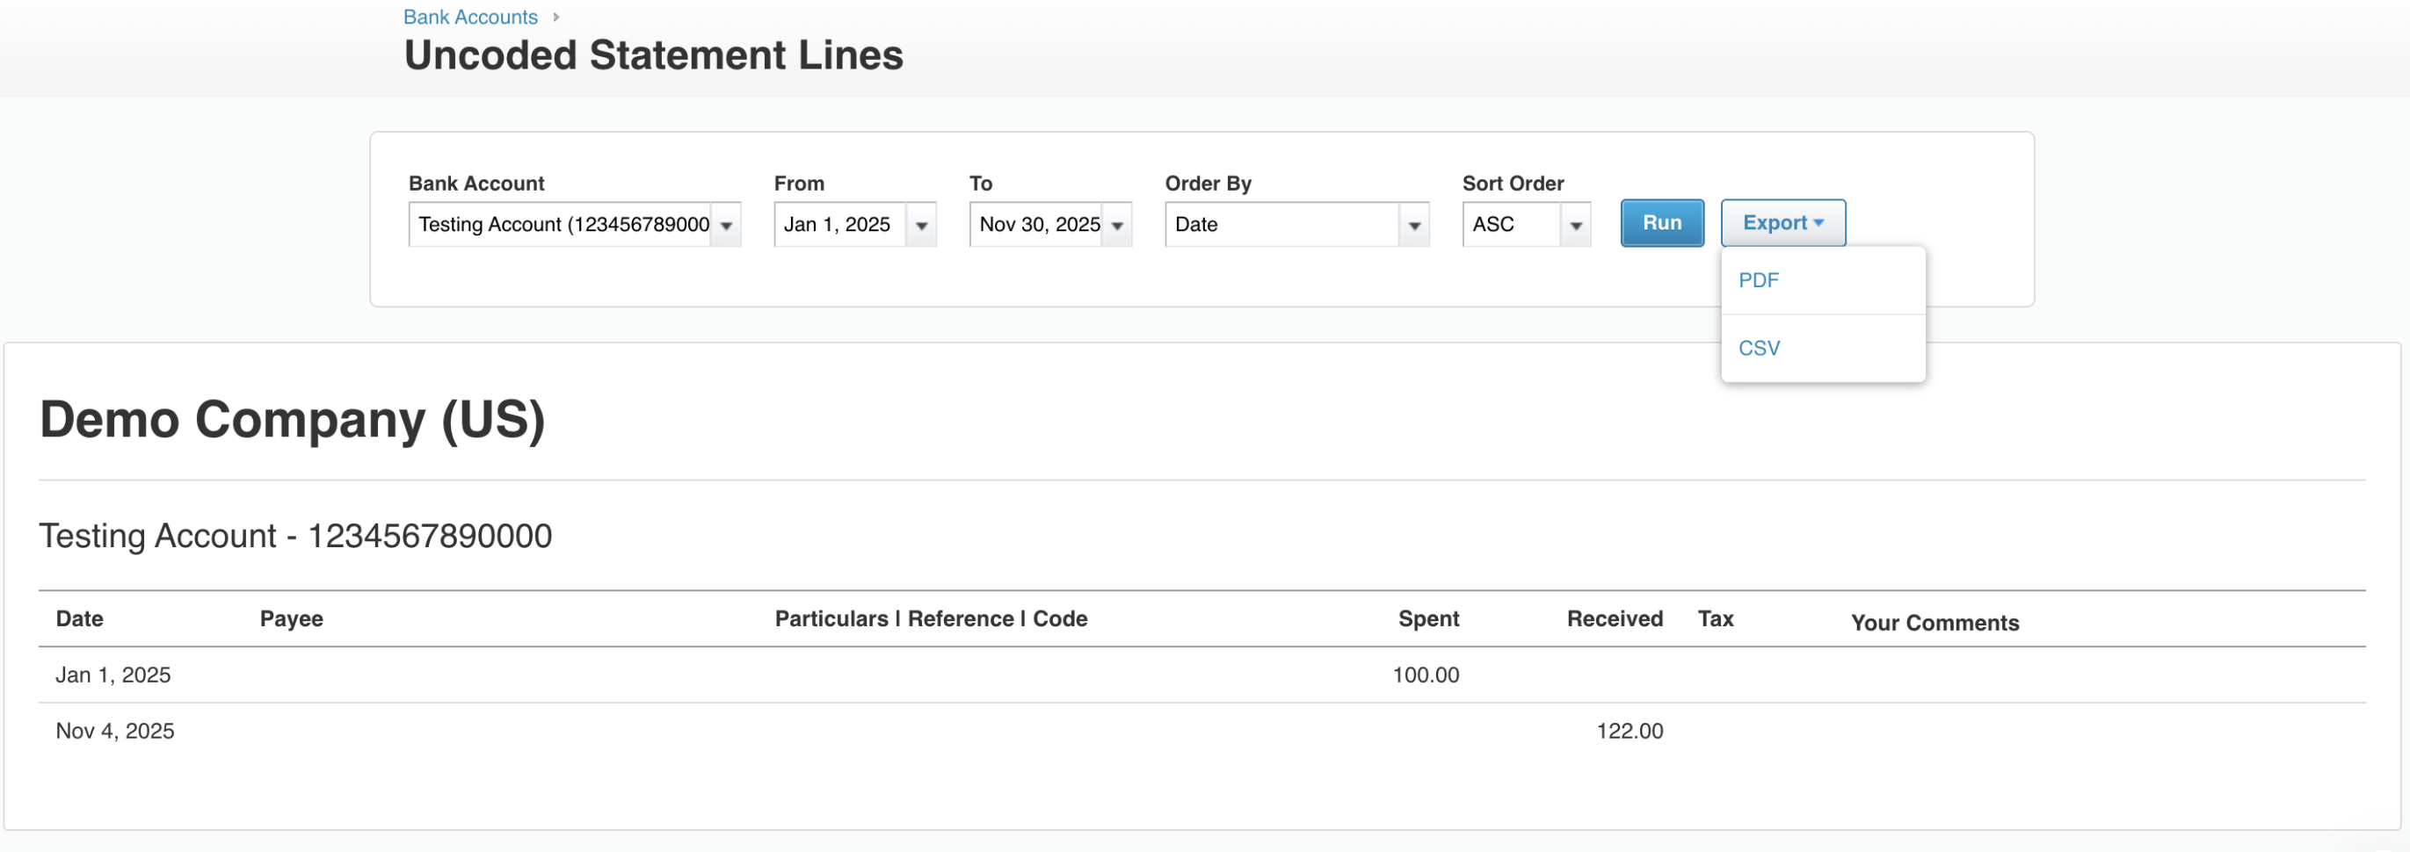

Test Case 9
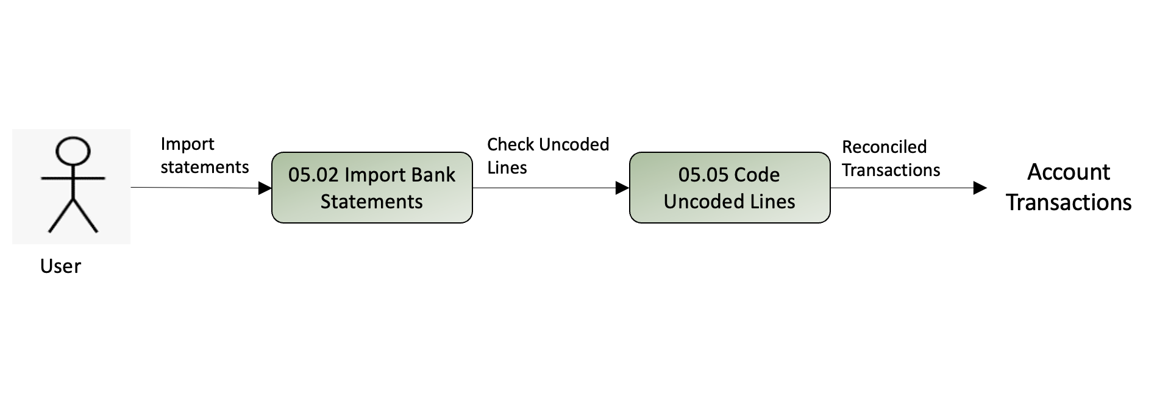
TC Title: | TC9: Export Uncoded Statement Lines report (DF-Out)

TC Objective: | Verify that users can filter and export the Uncoded Statement Lines report in PDF and CSV formats.

Test Data (optional): | Bank account with uncoded transactions

TC Description
 | Step | Step Description | Expected Results
 | 1 | Navigate to Accounting → Bank Accounts → Click "Uncoded Statement Lines" | Uncoded Statement Lines report page opens with filter panel
 | 2 | Select "Testing Account" from Bank Account dropdown | Account is selected
 | 3 | Set valid "From" date to "To" date | Date range is set
 | 4 | Select "Date" from "Order By" dropdown and "ASC" from "Sort Order" | Sort options are configured
 | 5 | Click "Run" button | Report generates displaying uncoded lines with columns: Date, Payee, Particulars, Spent, Received, Tax, Comments
 | 6 | Click "Export" dropdown and select "PDF" | Verify PDF file downloads containing the uncoded statement lines report
 | 7 | Click "Export" dropdown and select "CSV" | CSV file downloads; open file to verify data matches report display (DF-Out)

